Matchups of the Week
 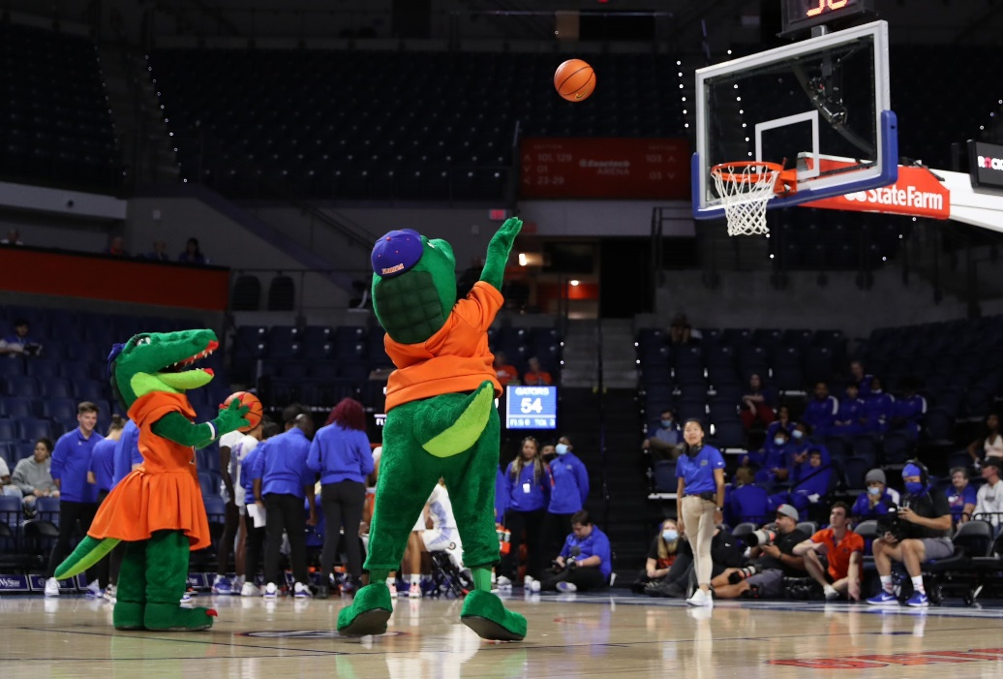 |  |  |  |  |  |  |  |  | (Data: Feb 24th) Top 12 Matchups: Tuesday Feb 25th - Monday Mar 3rd
 |  |  |  |  |  |  |  | In order | SITE | TEAM | PROJ. SCORE | WIN% |  | SITE | TEAM | PROJ. SCORE | WIN%
 |  |  |  |  |  |  |  | 1 | (A) | Alabama | 77 | 40.5 | 4 | (A) | Wisconsin | 78 | 39.2 | 7
 |  |  |  |  |  |  |  |  | (H) | Tennessee | 81 | 59.5 |  | (H) | Michigan St. | 81 | 60.8

 |  |  |  |  |  |  |  | 2 | (A) | Auburn | 88 | 58.9 | 13 | (A) | Illinois | 80 | 35.4 | 8
 |  |  |  |  |  |  |  |  | (H) | Kentucky | 85 | 41.1 | 15 | (H) | Michigan | 84 | 64.6

 |  |  |  |  |  |  |  | 3 | (A) | Arizona | 77 | 36.4 |  | (A) | Texas Tech | 76 | 49.3 | 9
 |  |  |  |  |  |  |  |  | (H) | Iowa St. | 81 | 63.6 |  | (H) | Kansas | 77 | 50.7

 |  |  |  |  |  |  |  | 4 | (H) | Maryland | 81 | 68.9 |  | (H) | Houston | 74 | 79.9 | 10
 |  |  |  |  |  |  |  |  | (A) | Michigan St. | 77 | 31.1 |  | (A) | Kansas | 66 | 20.1

 |  |  |  |  |  |  |  | 5 | (H) | Florida | 80 | 81.3 |  | (A) | Gonzaga | 86 | 53.6 | 11
 |  |  |  |  |  |  |  |  | (A) | Texas A&M | 72 | 18.7 |  | (H) | Santa Clara | 83 | 46.4

 |  |  |  |  |  |  |  | 6 | (H) | Alabama | 90 | 78.0 |  | (H) | Purdue | 78 | 69.4 | 12
 |  |  |  |  |  |  |  |  | (A) | Mississippi St. | 83 | 22.0 |  | (A) | UCLA | 74 | 30.6
Sort by Game Rank
Current Rk | Avgs | AB RK | SITE | TEAM | PROJ. SCORE | WIN% |  |  | Fav. Win Prob
1 | 4 | 3 | (A) | Alabama | 77 | 40.1 | 4 |  | avg | 65.76%
1 |  | 5 | (H) | Tennessee | 81 | 59.9 |  |  | wins | 7.89
2 | 10 | 2 | (A) | Auburn | 89 | 59.3 | 10
2 |  | 18 | (H) | Kentucky | 85 | 40.7
7 | 14.5 | 11 | (A) | Arizona | 77 | 36.4 | 14.5
7 |  | 18 | (H) | Iowa St. | 81 | 63.6
3 | 12.5 | 9 | (H) | Maryland | 81 | 68.9
3 |  | 16 | (A) | Michigan St. | 77 | 31.1
5 | 13.5 | 3 | (H) | Florida | 80 | 81.3
5 |  | 24 | (A) | Texas A&M | 72 | 18.7
8 | 15 | 3 | (H) | Alabama | 90 | 78.0
8 |  | 27 | (A) | Mississippi St. | 83 | 22.0
3 | 12.5 | 9 | (A) | Wisconsin | 78 | 39.2
3 |  | 16 | (H) | Michigan St. | 81 | 60.8
6 | 14 | 13 | (A) | Illinois | 80 | 35.4
6 |  | 15 | (H) | Michigan | 84 | 64.6
10 | 18.5 | 7 | (A) | Texas Tech | 76 | 49.3 | 18.5
10 |  | 30 | (H) | Kansas | 77 | 50.7
9 | 17.5 | 5 | (H) | Houston | 74 | 79.9 | 17.5
9 |  | 30 | (A) | Kansas | 67 | 20.1
12 | 25.5 | 8 | (A) | Gonzaga | 86 | 53.6 | 25.5
12 |  | 43 | (H) | Santa Clara | 83 | 46.4
11 | 25 | 22 | (H) | Purdue | 78 | 69.4
11 |  | 28 | (A) | UCLA | 74 | 30.6

